Input - Vessel List
No | Nama Kapal | TCE Rate | DWT (MT) | GT (MT) | Draft (M) | Speed Max (Knot) | Speed Average (Knot) | ME Fuel Type | ME Power | AE Power | ME Cons | AE Cons | Tahun Pembuatan | Jenis Kapal | Flag | Status
1 | Handysize | 12,000 |  | 7,497 | 7.2 | 12.0 | 10.0 | HSD | 5000 | 420 | 11.72 | 0.98 | 1984 | Dry bulk | Indonesia | Owned
2 | Handy SR | 25,809 | 9,327 | 7,451 | 7.2 | 12.0 | 10.0 | HSD | 5000 | 650 | 11.72 | 1.52 | 1977 | Dry bulk | Indonesia | Owned
3 | KM Soemantri Brodjonegoro |  | 11,162 | 7,473 | 7.2 | 8.0 | 7.0 | HSD | 5000 | 650 | 11.72 | 1.52 | 1977 | Dry bulk | Indonesia | Owned
4 | KM Julianto Moeliodihardjo |  | 11,162 | 7,473 | 7.2 | 7.0 | 6.5 | HSD | 5000 | 420 | 11.72 | 0.98 | 1983 | Dry bulk | Indonesia | Owned
5 | KM Pusri Indonesia |  | 11,195 | 7,339 | 7.2 | 8.0 | 7.0 | HSD | 5000 | 650 | 11.72 | 1.52 | 1978 | Dry bulk | Indonesia | Owned
6 | KM Mochtar Prabu Mangkunegara |  | 11,185 | 7,497 | 7.2 | 8.0 | 7.0 | HSD | 5000 | 420 | 11.72 | 0.98 | 1983 | Dry bulk | Indonesia | Owned
7 | KM Pusri Indonesia 1 |  | 11,485 | 12,454 | 5.4 | 8.0 | 7.0 | HSD | 4200 | 480 | 9.85 | 1.13 | 2014 | General Cargo | Indonesia | Owned
8 | MT Sultan Mahmud Badaruddin II |  | 11,485 | 7,305 | 6.2 | 10.0 | 10.0 | HSD | 5200 | 650 | 12.19 | 1.52 | 1984 | LPG/C | Indonesia | Owned
9 | MT Salmon Mustafa |  | 23,256 | 19,511 | 14.4 | 10.0 | 10.0 | HSD | 18200 | 650 | 42.66 | 1.52 | 1994 | LPG/C | Indonesia | Owned

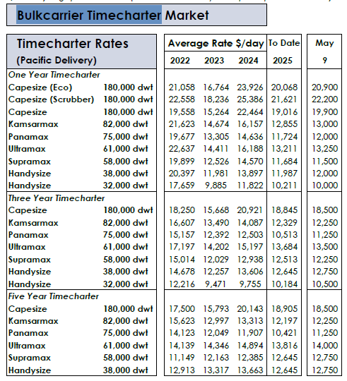
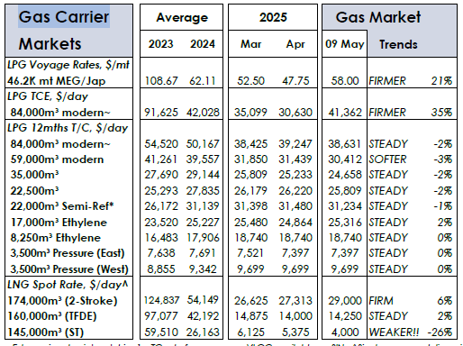

 |  |  | update 28/02/2025

